Sheet3
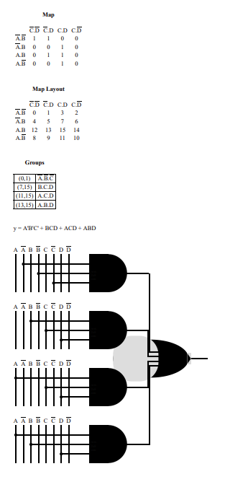
locked | limited | auto | Q | Q+
1 | 0 | 0 | none | pressed
0 | 1 | 0 | none | pressed
0 | 0 | 1 | none | pressed
0 | 0 | 0 | pressed | none

Q1 | Q0 | locked | limited | auto | Q1+ | Q0+
0 | 0 | X | X | X | X | X
0 | 1 | 0 | 0 | 0 | 0 | 1 | locked
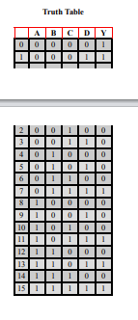
0 | 1 | 0 | 0 | 1
0 | 1 | 0 | 1 | 0
0 | 1 | 0 | 1 | 1
0 | 1 | 1 | 0 | 0
0 | 1 | 1 | 0 | 1
0 | 1 | 1 | 1 | 0
0 | 1 | 1 | 1 | 1
1 | 0 | 0 | 0 | 0 | 1 | 0 | limited slip
1 | 0 | 0 | 0 | 1
1 | 0 | 0 | 1 | 0
1 | 0 | 0 | 1 | 1
1 | 0 | 1 | 0 | 0
1 | 0 | 1 | 0 | 1
1 | 0 | 1 | 1 | 0
1 | 0 | 1 | 1 | 1
1 | 1 | 0 | 0 | 0 | 1 | 1 | auto
1 | 1 | 0 | 0 | 1
1 | 1 | 0 | 1 | 0
1 | 1 | 0 | 1 | 1
1 | 1 | 1 | 0 | 0
1 | 1 | 1 | 0 | 1
1 | 1 | 1 | 1 | 0
1 | 1 | 1 | 1 | 1

